F3
Name | Value | Description | Overrides
GENERAL
g | 9.81 | Acceleration due to gravity, m/s^2 |  | Yaw Mom of Inertia Estimator
L_Wheelbase | 2.8 | Wheelbase length, m |  | Length | 4 | m
L_TrackF | 1.2 | Front Track Width, m |  | Width | 1.2 | m
L_TrackR | 1.2 | Rear Track Width, m |  | Izz | 859.71414191 | kgm^2
m_CarNoFuel | 591.11814475 | Car Mass with Empty Tank, kg
r_SteerRatio | 12.5 | Hand to Wheel Steer Ratio
r_COM | 0.43 | % static mass on rear wheels
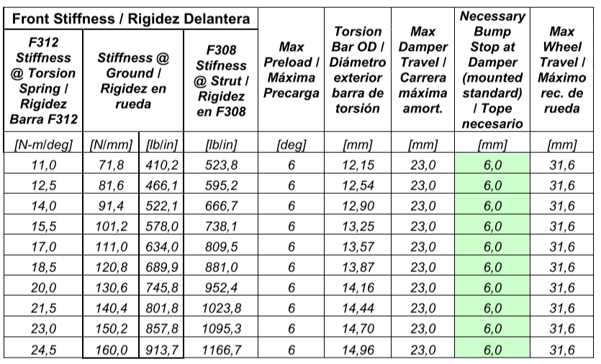
J_MomInertia | 800 | Moment of inertia about CoG, kgm^2
SETUP
m_CWeightFL | 1273
m_CWeightFR | 1274
m_CWeightRL | 1700
m_CWeightRR | 1700
m_Fuel | 30
h_StaticFL | 15.1 | Static FL Ride Height, mm
h_StaticFR | 15.1 | Static FR Ride Height, mm
h_StaticRL | 30 | Static RL Ride Height, mm
h_StaticRR | 30 | Static RR Ride Height, mm
k_FSpring
k_RSpring | 175
k_FHeaveSpring | 180
k_RHeaveSpring | 190
k_FARB
k_RARB
ENGINE
P_Max | 164 | Nominal max power, kW
n_RPMIdeal | 6500 | Nominal RPM for max power

SUSPENSION
r_MotionRatioF | 1.39 | Front Motion Ratio
r_MotionRatioFHeave | 1 | Front Heave Motion Ratio
r_MotionRatioR | 1.3 | Rear Motion Ratio
r_MotionRatioRHeave | 1 | Rear Heave Motion Ratio
k_FWheel | 120.8 |  | 120.8
k_RWheel | 175
k_FHeaveWheel | 304.2
k_RHeaveWheel | 190

